Sheet1
 | Report Product List
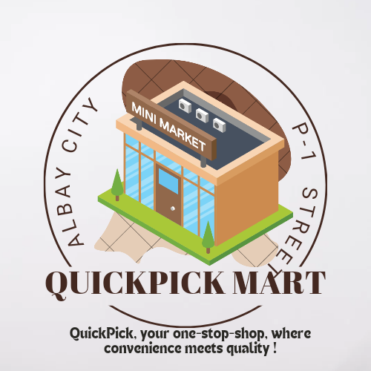

1 | Beauty Products
2 | Beverage
3 | Food
4 | BAth Essentials
5 | Animal Foods and Essentials
6 | Detergents
7 | Skin Care
8 | Seasonal Decors
9 | Cleaning supplies
10 | Others

